Code alignment document
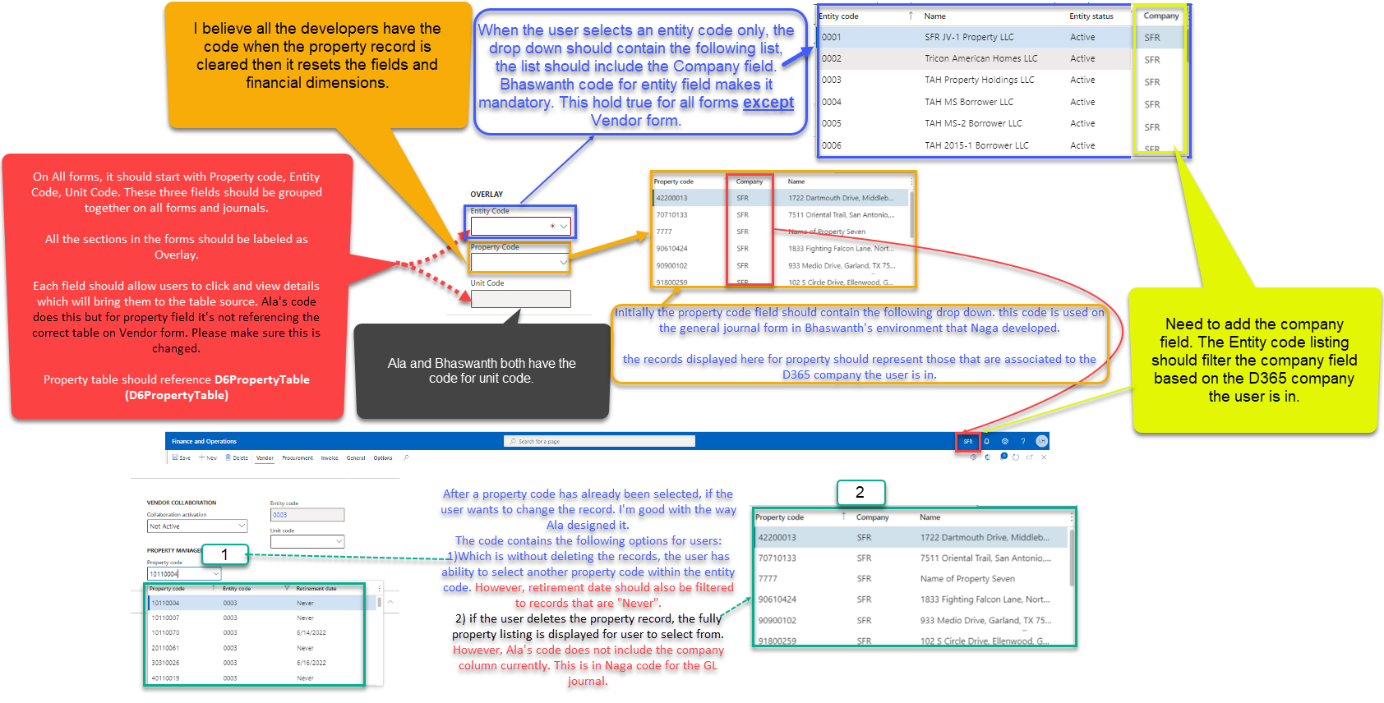
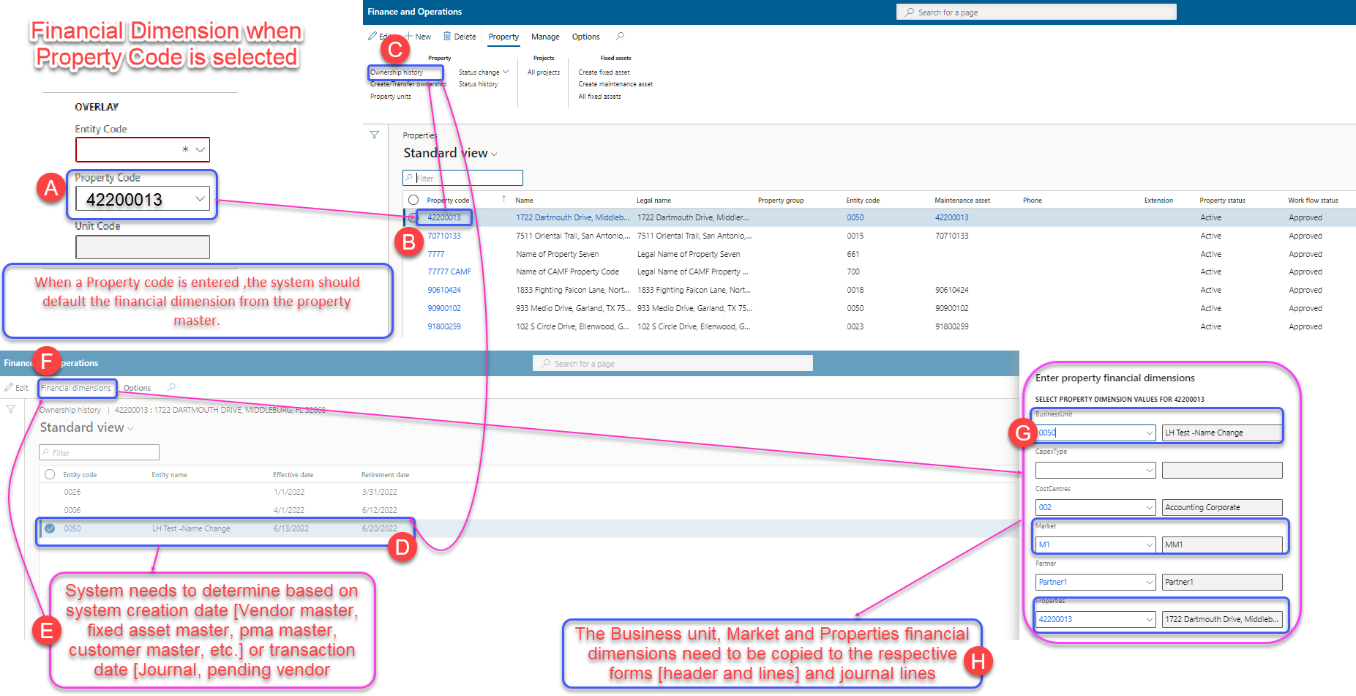
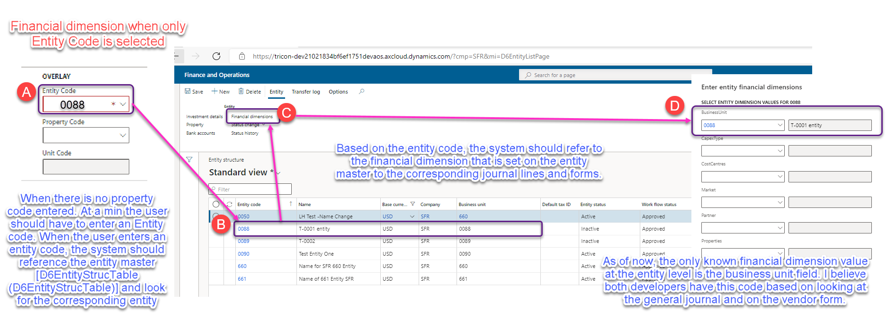
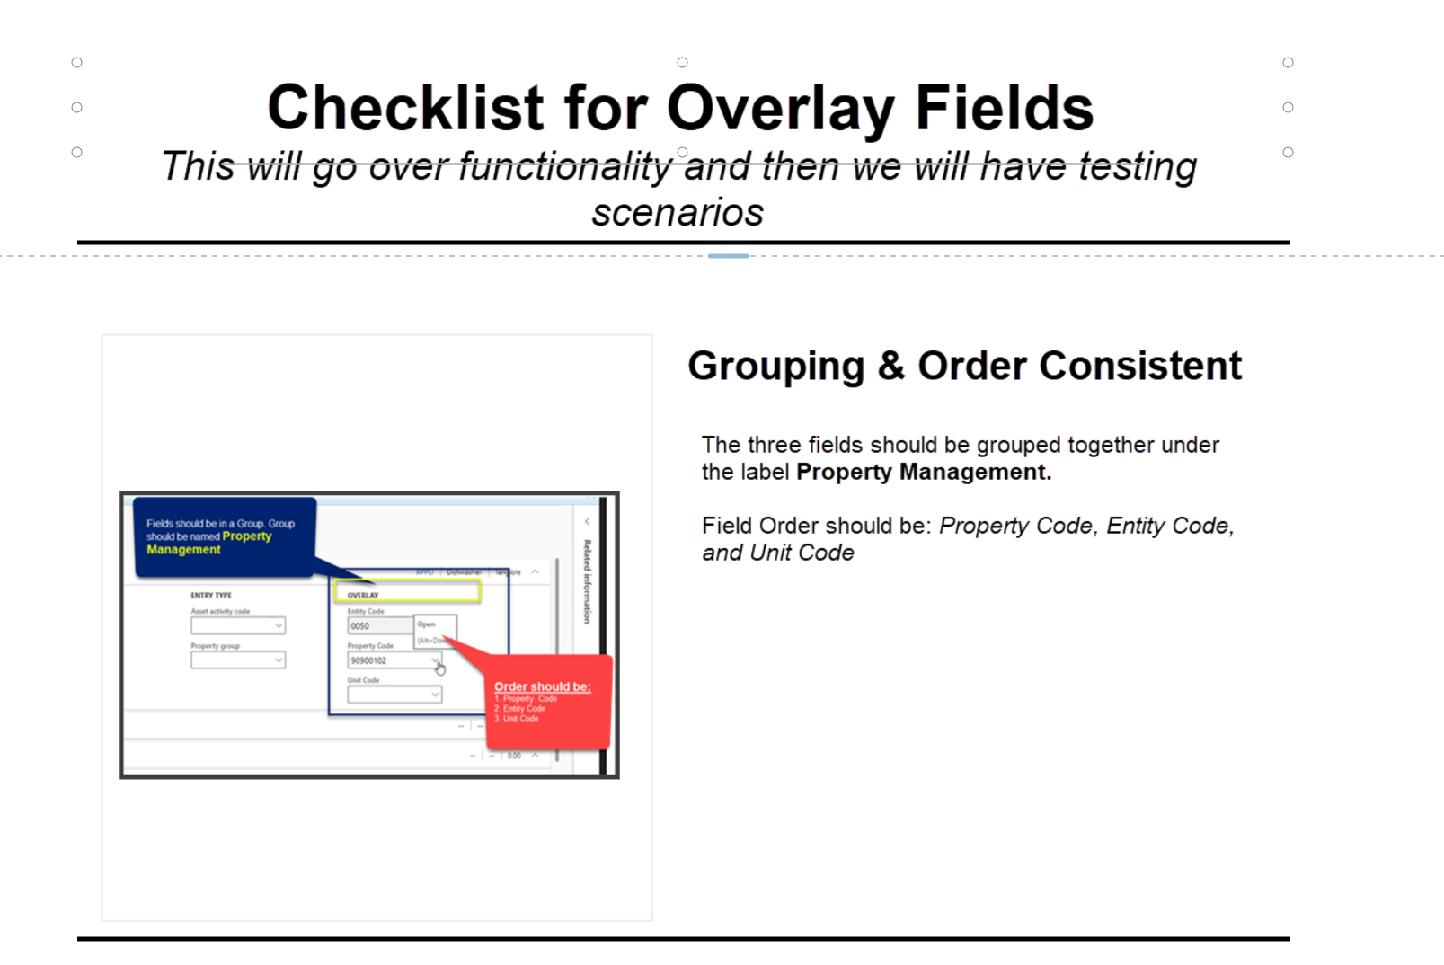
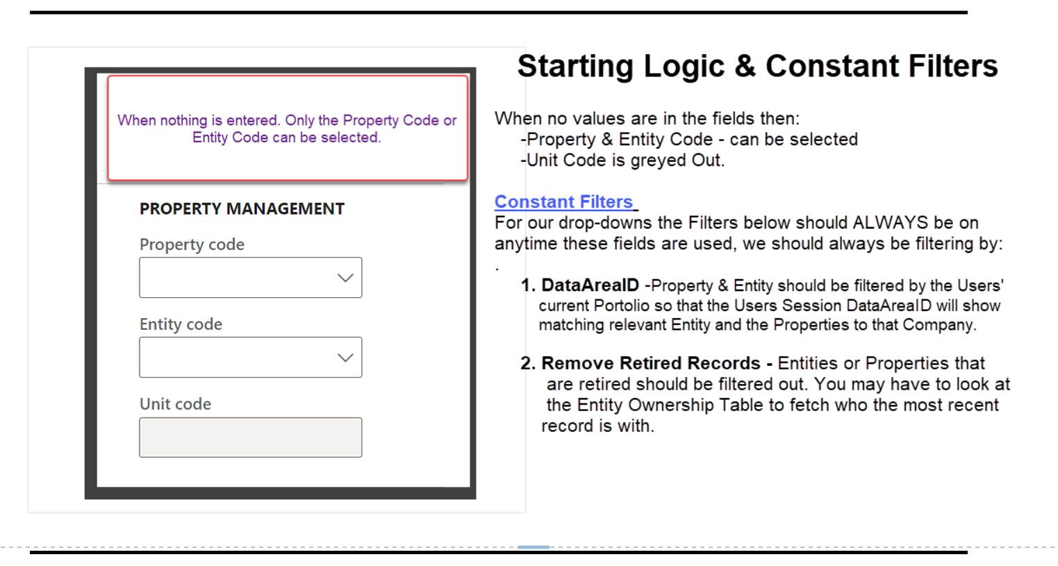
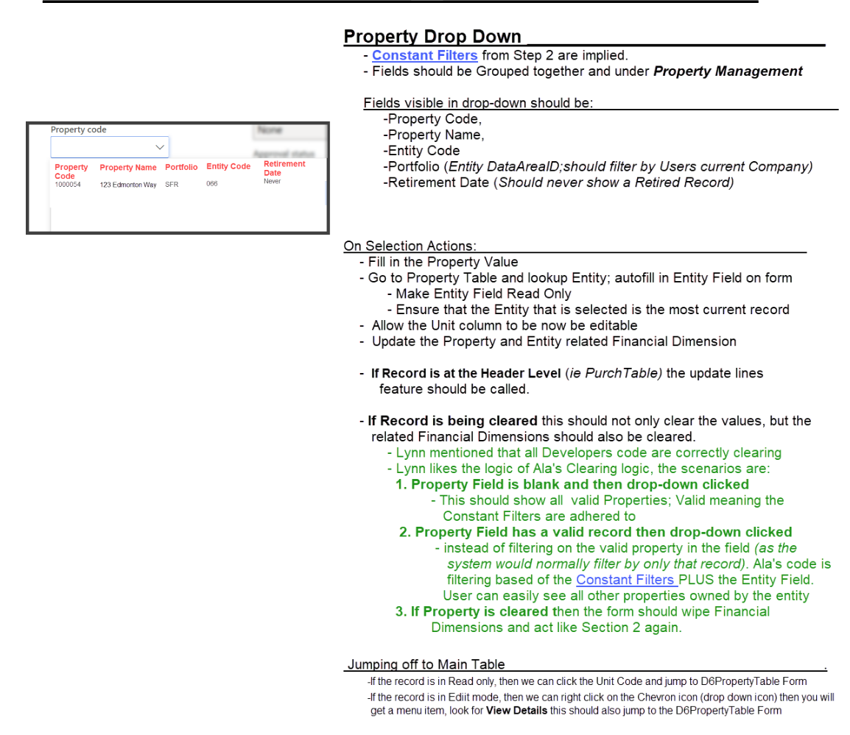
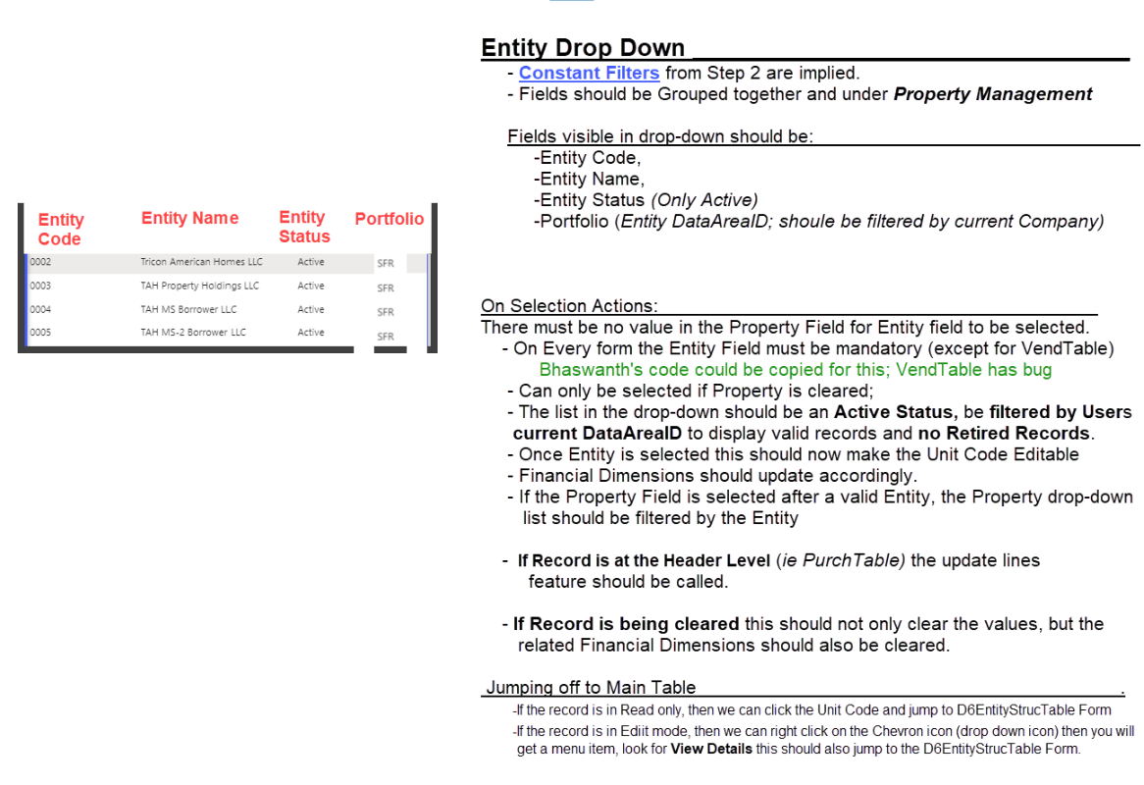
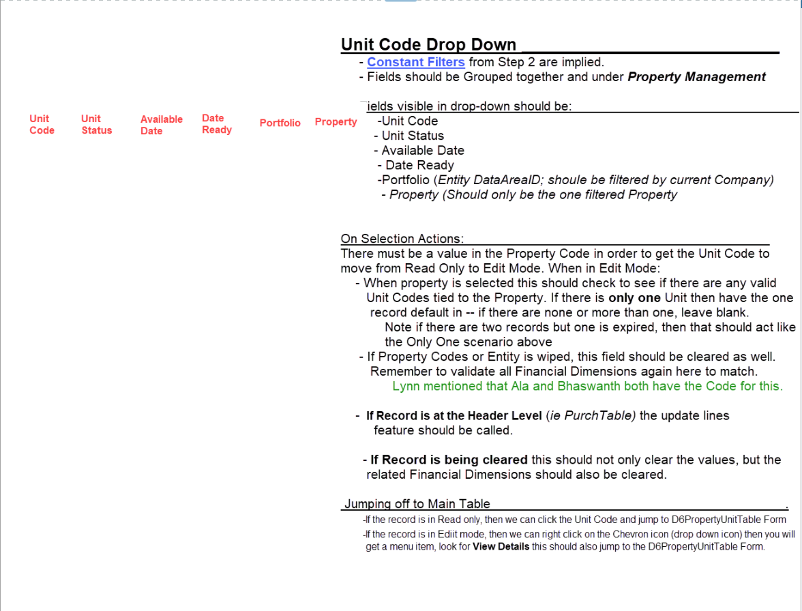
OVERLAY PHASE 1

Data Flow Validation requiremen
Projects
ID | OFL ID | AREA | PATH | DESCRIPTION
DEF.001 | M01A/M21 | Project to PO creation | Procurement and sourcing >> Purchase Orders >> All purchase order >> Purchase order header and lines | When a PO is created from the project master or when a PO is created from the procurement and sourcing PO master then apply the following to the purchase order header and lines:
 | CRITICAL |  |  | · The system should first attempt to default the property code from the project followed by unit code if a unit code exists otherwise leave the unit code field blank.
 |  |  | Project management accounting >> Projects >> All Projects >> Manage tab >> New >> Item task >> Purchase order >> Purchase order header and lines | o When a property code is defaulted in from the project, the system should auto default the entity code based on the system creation date comparative to the effective ownership date.
 |  |  |  | § When the entity code field is auto filled based on the property code, the field should become greyed out.
 |  |  | Project management accounting >> Item tasks >> Project purchase order header and lines | o Based on the property code, the system should pull the financial dimensions [Business unit, properties, and Market] from the property master and assign it to the purchase order header and po lines.
 |  |  |  | o The financial dimension CapexType should default from Project if a project id exists.
 |  |  |  | · If no property code is used, then the system should default the entity code from project.
 |  |  |  | o The financial dimensions should default based on the financial dimensions assigned to the entity code on the entity structure.

 |  |  |  | User Note: without bulk transfer, the financial dimensions will align with the overlay structure and not necessarily with the sub-module master forms.

DEF.004 | M01A/M21 | Invoice Journal to Projects | Accounts Payable >> Invoices >> Vendor invoice journal | When a project is selected on the vendor invoice journal, then apply the following to the journal lines:

 |  |  |  | · The system should first attempt to default the property code from the project followed by unit code if a unit code exists otherwise leave the unit code field blank.
 |  |  |  | o When a property code is defaulted in from the project, the system should auto default the entity code based on the transaction date comparative to the effective ownership date.
 |  |  |  | § When the entity code field is auto filled based on the property code, the field should become greyed out.
 |  |  |  | o Based on the property code, the system should pull the financial dimensions [Business unit, properties, and Market] from the property master and assign it to the purchase order header and po lines.
 |  |  |  | o The financial dimension Capex Type should default from Project if project ID exists.
 |  |  |  | · If no property code is used, then the system should default the entity code from project.
 |  |  |  | o The financial dimensions should default based on the financial dimensions assigned to the entity code on the entity structure.

 |  |  |  | User Note: without bulk transfer, the financial dimensions will align with the overlay structure and not necessarily with the sub-module master forms.

DEF.009 | M01A/M21 | General journal to projects | General Ledger >> Journal entries >> General Journals | When a project is selected on a general journal, then apply the following to journal lines:

 |  |  |  | · The system should first attempt to default the property code from the project followed by unit code if a unit code exists otherwise leave the unit code field blank.
 |  |  |  | o When a property code is defaulted in from the project, the system should auto default the entity code based on the transaction date comparative to the effective ownership date.
 |  |  |  | § When the entity code field is auto filled based on the property code, the field should become greyed out.
 |  |  |  | o Based on the property code, the system should pull the financial dimensions [Business unit, properties , and Market] from the property master and assign it to the purchase order header and po lines.
 |  |  |  | o The financial dimension CapexType should default from Project if project ID exists.
 |  |  |  | · If no property code is used, then the system should default the entity code from project.
 |  |  |  | o The financial dimensions should default based on the financial dimensions assigned to the entity code on the entity structure.

 |  |  |  | User Note: without bulk transfer, the financial dimensions will align with the overlay structure and not necessarily with the sub-module master forms.

DEF.011 | XXX | Pending Vendor invoice to Projects | Accounts Payable >> Invoices >> Pending vendor invoice | When a pending vendor invoice is created for a project, then apply the following to pending vendor invoice header and lines:
 | CRITICAL
 |  |  |  | · The system should first attempt to default the property code from the project followed by unit code if a unit code exists otherwise leave the unit code field blank.
 |  |  |  | o When a property code is defaulted in from the project, the system should auto default the entity code based on the transaction date comparative to the effective ownership date.
 |  |  |  | § When the entity code field is auto filled based on the property code, the field should become greyed out.
 |  |  |  | o Based on the property code, the system should pull the financial dimensions [Business unit, properties, and Market] from the property master and assign it to the purchase order header and po lines.
 |  |  |  | o The financial dimension CapexType should default from Project if project ID exists.
 |  |  |  | · If no property code is used, then the system should default the entity code from project.
 |  |  |  | o The financial dimensions should default based on the financial dimensions assigned to the entity code on the entity structure.

 |  |  |  | User Note: without bulk transfer, the financial dimensions will align with the overlay structure and not necessarily with the sub-module master forms.

DEF.012 | XXX | Triforce to Projects | Integration | When Projects are created through integration, the system should then apply the following to the project master:
 | CRITICAL
 |  |  |  | · The system should first attempt to default the property code from the project followed by unit code if a unit code exists otherwise leave the unit code field blank.
 |  |  |  | o When a property code is defaulted in from the project, the system should auto default the entity code based on the system creation date comparative to the effective ownership date.
 |  |  |  | § When the entity code field is auto filled based on the property code, the field should become greyed out.
 |  |  |  | o Based on the property code, the system should pull the financial dimensions [Business unit, properties, and Market] from the property master and assign it to the purchase order header and po lines.
 |  |  |  | o The financial dimension CapexType should default from Project if project ID exists.
 |  |  |  | If no property code is passed from triforce, throw an error and write it to an exception table. Note: this needs to go to the triforce integration.

 |  |  |  | User Note: without bulk transfer, the financial dimensions will align with the overlay structure and not necessarily with the sub-module master forms.

DEF.017 | XXX | Projects to sub-projects | Project management accounting >> Projects >. All projects | When creating a sub project, then apply the following to the sub project:
 | CRITICAL
 |  |  |  | · The system should first attempt to default the property code from the project followed by unit code if a unit code exists otherwise leave the unit code field blank.
 |  |  |  | o When a property code is defaulted in from the project, the system should auto default the entity code based on the system creation date comparative to the effective ownership date.
 |  |  |  | § When the entity code field is auto filled based on the property code, the field should become greyed out.
 |  |  |  | o Based on the property code, the system should pull the financial dimensions [Business unit, properties, and Market] from the property master and assign it to the purchase order header and po lines.
 |  |  |  | o The financial dimension CapexType should default from Project if project ID exists.
 |  |  |  | · If no property code is used, then the system should default the entity code from project.
 |  |  |  | o The financial dimensions should default based on the financial dimensions assigned to the entity code on the entity structure.

 |  |  |  | User Note: without bulk transfer, the financial dimensions will align with the overlay structure and not necessarily with the sub-module master forms.
 |  |  |  | the system should default the parent project entity code, property code and unit code to the sub-project. In addition, the system should copy the financial dimensions of the parent project to the sub projects.

Fixed Assets
ID | OFL ID | AREA | PATH | DESCRIPTION
DEF.003 | M18 | Project to Fixed Assets | Project management accounting >> Projects >> All projects >> Manage tab>> Process >> Estimates >> Eliminate | When the project is estimated and eliminated to a fixed asset, then apply the following to the fixed assets:

 |  |  |  | · The system should first attempt to default the property code from the project followed by unit code if a unit code exists otherwise leave the unit code field blank.
 |  |  |  | o When a property code is defaulted in from the project, the system should auto default the entity code based on the financial transaction date of the asset elimination/acquisition comparative to the effective ownership date.
 |  |  |  | § When the entity code field is auto filled based on the property code, the field should become greyed out.
 |  |  |  | o Based on the property code, the system should pull the financial dimensions from the property master and assign it to the fixed asset master form and apply to the associated fixed asset books.
 |  |  |  | o The financial dimension CapexType should default from Project if project ID exists.
 |  |  |  | · If no property code is used, then the system should default the entity code from project.
 |  |  |  | o The financial dimensions should default based on the financial dimensions assigned to the entity code on the entity structure.

 |  |  |  | User Note: without bulk transfer, the financial dimensions will align with the overlay structure and not necessarily with the sub-module master forms.

DEF.005 | M18 | Invoice Journal to fixed assets | Accounts Payable >> Invoices >> Vendor invoice journal | When a fixed asset is selected on an invoice journal, then apply the following to the invoice journal lines:

 |  |  |  | · The system should first attempt to default the property code from the fixed asset master followed by unit code if a unit code exists otherwise leave the unit code field blank.
 |  |  |  | o When a property code is defaulted in from the fixed asset master, the system should auto default the entity code based on the financial transaction date comparative to the effective ownership date.
 |  |  |  | § When the entity code field is auto filled based on the property code, the field should become greyed out.
 |  |  |  | o Based on the property code, the system should pull the financial dimensions [Business unit, properties, and Market] from the property master and assign it to the purchase order header and po lines.
 |  |  |  | o The financial dimension CapexType should default from Project if project ID exists.
 |  |  |  | · If no property code is used, then the system should default the entity code from fixed asset master.
 |  |  |  | o The financial dimensions should default based on the financial dimensions assigned to the entity code on the entity structure.

 |  |  |  | User Note: without bulk transfer, the financial dimensions will align with the overlay structure and not necessarily with the sub-module master forms.

DEF.006 | M18 | Pending vendor invoice to Fixed assets (new asset) | Accounts Payable >> Invoices >> Pending vendor invoice | When the pending vendor invoice is created for a new fixed asset, then apply the following to the fixed assets:

 |  |  |  | · The system should first attempt to default the property code from the pending vendor invoice line followed by unit code if a unit code exists otherwise leave the unit code field blank.
 |  |  |  | o When a property code is defaulted in from the pending vendor invoice line, the system should auto default the entity code based on the financial transaction date comparative to the effective ownership date.
 |  |  |  | § When the entity code field is auto filled based on the property code, the field should become greyed out.
 |  |  |  | o Based on the property code, the system should pull the financial dimensions [Business unit, properties, and Market] from the property master and assign it to the purchase order header and po lines.
 |  |  |  | o The financial dimension CapexType should default from Project if project ID exists.
 |  |  |  | · If no property code is used, then the system should default the entity code from pending vendor invoice lines.
 |  |  |  | o The financial dimensions should default based on the financial dimensions assigned to the entity code on the entity structure.

 |  |  |  | User Note: without bulk transfer, the financial dimensions will align with the overlay structure and not necessarily with the sub-module master forms.

DEF.007 | M18 | Pending vendor invoice to Fixed asset (existing asset) | Accounts Payable >> Invoices >> Pending vendor invoice | When a pending vendor invoice line is created for an existing asset, then apply the following to the pending vendor invoice header and lines:

 |  |  |  | · The system should first attempt to default the property code from the fixed asset master followed by unit code if a unit code exists otherwise leave the unit code field blank.
 |  |  |  | o When a property code is defaulted in from the fixed asset master, the system should auto default the entity code based on the financial transaction date comparative to the effective ownership date.
 |  |  |  | § When the entity code field is auto filled based on the property code, the field should become greyed out.
 |  |  |  | o Based on the property code, the system should pull the financial dimensions [Business unit, properties, and Market] from the property master and assign it to the purchase order header and po lines.
 |  |  |  | o The financial dimension CapexType should default from Project if project ID exists.
 |  |  |  | · If no property code is used, then the system should default the entity code from fixed asset master.
 |  |  |  | o The financial dimensions should default based on the financial dimensions assigned to the entity code on the entity structure.

 |  |  |  | User Note: without bulk transfer, the financial dimensions will align with the overlay structure and not necessarily with the sub-module master forms.
DEF.008 | M18 | General journal to fixed assets | General Ledger >> Journal entries >> General Journals | When a fixed asset is selected on a general journal, then apply the following to the general journal lines:

 |  |  |  | · The system should first attempt to default the property code from the fixed asset master followed by unit code if a unit code exists otherwise leave the unit code field blank.
 |  |  |  | o When a property code is defaulted in from the fixed asset master, the system should auto default the entity code based on the financial transaction date comparative to the effective ownership date.
 |  |  |  | § When the entity code field is auto filled based on the property code, the field should become greyed out.
 |  |  |  | o Based on the property code, the system should pull the financial dimensions [Business unit, properties, and Market] from the property master and assign it to the purchase order header and po lines.
 |  |  |  | o The financial dimension CapexType should default from Project if project ID exists.
 |  |  |  | · If no property code is used, then the system should default the entity code from fixed asset master.
 |  |  |  | o The financial dimensions should default based on the financial dimensions assigned to the entity code on the entity structure.

 |  |  |  | User Note: without bulk transfer, the financial dimensions will align with the overlay structure and not necessarily with the sub-module master forms.

DEF.013 | XXX | PO to New fixed assets | Procurement and sourcing >> Purchase Orders >> All purchase order >> Purchase order header and lines | When a PO is created for a new fixed assets then at the time of asset creation apply the following to the fixed assets:
 | HIGH
 |  |  | Project management accounting >> Projects >> All Projects >> Manage tab >> New >> Item task >> Purchase order >> Purchase order header and lines | · The system should first attempt to default the property code from the purchase order lines followed by unit code if a unit code exists otherwise leave the unit code field blank.
 |  |  |  | o When a property code is defaulted in from the purchase order line, the system should auto default the entity code based on the financial transaction date comparative to the effective ownership date.
 |  |  | Project management accounting >> Item tasks >> Project purchase order header and lines | § When the entity code field is auto filled based on the property code, the field should become greyed out.
 |  |  |  | o Based on the property code, the system should pull the financial dimensions [Business unit, properties, and Market] from the property master and assign it to the purchase order header and po lines.
 |  |  |  | o The financial dimension CapexType should default from Project if project ID exists.
 |  |  |  | · If no property code is used, then the system should default the entity code from purchase order lines.
 |  |  |  | o The financial dimensions should default based on the financial dimensions assigned to the entity code on the entity structure.

 |  |  |  | User Note: without bulk transfer, the financial dimensions will align with the overlay structure and not necessarily with the sub-module master forms.

DEF.014 | XXX | PO to Existing fixed assets | Procurement and sourcing >> Purchase Orders >> All purchase order >> Purchase order header and lines | When a purchase order is created for an existing asset, then apply the following to the purchase order header and lines:
 | HIGH
 |  |  | Project management accounting >> Projects >> All Projects >> Manage tab >> New >> Item task >> Purchase order >> Purchase order header and lines | · If a fixed asset ID is selected on the New PO form, then the asset ID should be assigned to the PO lines.
 |  |  |  | · The system should first attempt to default the property code from the fixed asset master followed by unit code if a unit code exists otherwise leave the unit code field blank.
 |  |  | Project management accounting >> Item tasks >> Project purchase order header and lines | o When a property code is defaulted in from the fixed asset master, the system should auto default the entity code based on the financial transaction date comparative to the effective ownership date.
 |  |  |  | § When the entity code field is auto filled based on the property code, the field should become greyed out.
 |  |  |  | o Based on the property code, the system should pull the financial dimensions [Business unit, properties, CostCenter, Partner , and Market] from the property master and assign it to the purchase order header and po lines.
 |  |  |  | o The financial dimension CapexType should default from Project if project ID exists.
 |  |  |  | · If no property code is used, then the system should default the entity code from fixed asset master.
 |  |  |  | o The financial dimensions should default based on the financial dimensions assigned to the entity code on the entity structure.

 |  |  |  | User Note: without bulk transfer, the financial dimensions will align with the overlay structure and not necessarily with the sub-module master forms.

DEF.016 | XXX | Fixed Asset to Free Text Invoice | Accounts receivable >> Free text >> All free text invoice | When using free text invoice to sell an asset, then apply the following to free text invoice header and lines:
 | MED
 |  |  |  | · The system should first attempt to default the property code from the fixed asset master followed by unit code if a unit code exists otherwise leave the unit code field blank.
 |  |  |  | o When a property code is defaulted in from the fixed asset master, the system should auto default the entity code based on the financial transaction date comparative to the effective ownership date.
 |  |  |  | § When the entity code field is auto filled based on the property code, the field should become greyed out.
 |  |  |  | o Based on the property code, the system should pull the financial dimensions [Business unit, properties, CostCenter, Partner , and Market] from the property master and assign it to the purchase order header and po lines.
 |  |  |  | o The financial dimension CapexType should default from Project if project ID exists.
 |  |  |  | · If no property code is used, then the system should default the entity code from fixed asset master.
 |  |  |  | o The financial dimensions should default based on the financial dimensions assigned to the entity code on the entity structure.

 |  |  |  | User Note: without bulk transfer, the financial dimensions will align with the overlay structure and not necessarily with the sub-module master forms.

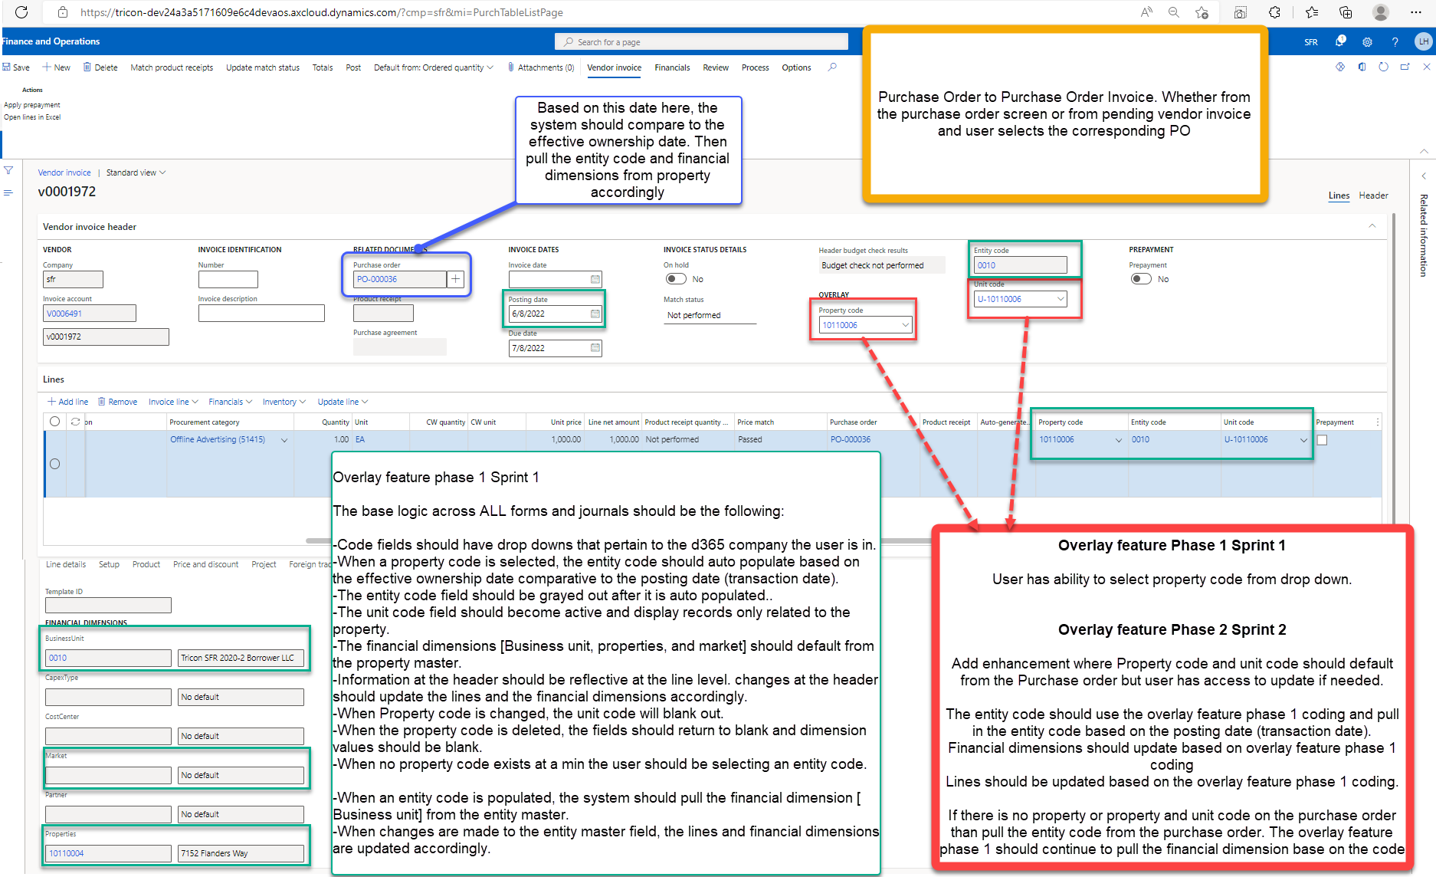
Accounts Payable
ID | OFL ID | AREA | PATH | DESCRIPTION
DEF.002 | M22 | PO creation to PO invoice | Procurement and sourcing >> Purchase orders >> All purchase orders >> Invoice tab >> Generate Invoice | When a pending vendor invoice is created and associated to a purchase order then apply the following to pending vendor invoice:
 | CRITICAL
 |  |  | Accounts Payable >> Invoices >> Pending vendor invoice | · The system should first attempt to default the property code from the purchase order followed by unit code if a unit code exists otherwise leave the unit code field blank.
 |  |  |  | o When a property code is defaulted in from the purchase order header and lines, the system should auto default the entity code based on the financial transaction date comparative to the effective ownership date.
 |  |  |  | § When the entity code field is auto filled based on the property code, the field should become greyed out.
 |  |  |  | o Based on the property code, the system should pull the financial dimensions [Business unit, properties, CostCenter, Partner , and Market] from the property master and assign it to the purchase order header and po lines.
 |  |  |  | o The financial dimension CapexType should default from Project if project ID exists.
 |  |  |  | · If no property code is used, then the system should default the entity code from purchase order header and lines.
 |  |  |  | o The financial dimensions should default based on the financial dimensions assigned to the entity code on the entity structure.

 |  |  |  | User Note: without bulk transfer, the financial dimensions will align with the overlay structure and not necessarily with the sub-module master forms.

General Ledger
ID | OFL ID | AREA | PATH | DESCRIPTION
DEF.010 | XXX | General Journal (Periodic template) to General Journal | General Ledger >> Journal entries >> General Journals >> Lines >> Period Journal >> Retrieve journal | When a periodic journal template that is stored in [General ledger >> Journal entries >> Periodic journals] is retrieved, then apply the following to general journal if possible:
 | MED |  |  | Scenario 1:
 |  |  |  | · Create another button to retrieve periodic journal call the feature Tricon periodic journal
 |  |  |  | · The system should first attempt to default the property code from the periodic journal followed by unit code if a unit code exists otherwise leave the unit code field blank.
 |  |  |  | o When a property code is defaulted in from the periodic journal, the system should auto default the entity code based on the financial transaction date comparative to the effective ownership date.
 |  |  |  | § When the entity code field is auto filled based on the property code, the field should become greyed out.
 |  |  |  | o Based on the property code, the system should pull the financial dimensions [Business unit, properties, CostCenter, Partner , and Market] from the property master and assign it to the purchase order header and po lines.
 |  |  |  | o The financial dimension CapexType should default from Project if project ID exists.
 |  |  |  | · If no property code is used, then the system should default the entity code from periodic journal.
 |  |  |  | o The financial dimensions should default based on the financial dimensions assigned to the entity code on the entity structure.

 |  |  |  | Scenario 2: if scenario one is not possible then copy all fields from periodic to general journal. User will need to update/maintain the periodic journal.

 |  |  |  | User Note: without bulk transfer, the financial dimensions will align with the overlay structure and not necessarily with the sub-module master forms.

DEF.015 |  | Prepaid default. |  | Refer to DEF.018-DEF.021
DEF.018 | XXX | General Ledger: Prepaid invoice proposal | General Ledger >> Inquiries and reports >> prepayment >> prepaid invoice proposal | Field name change:
 | HIGH |  |  | Change Business unit to Entity code

 |  |  |  | Add the property code, and unit code on the parameter screen.

 |  |  |  | Entity code, property code and unit code should default from either the pending vendor invoice, general journal, or invoice journal.

 |  |  |  | Users should be able to select a record in the field and when generated the proposal have the system filter the results based on the selections made in the parameter.
DEF.019 | XXX | General Ledger: Prepaid invoice inquiry | General Ledger >> Inquiries and reports >> prepayment >> prepaid invoice inquiry | Field name change:
 | HIGH |  |  | Change Business unit to Entity code
 |  |  |  | Change Property to Property code

 |  |  |  | Add unit code on the parameter screen.

 |  |  |  | Entity code, property code and unit code should default from the prepaid invoice proposal form.

 |  |  |  | Users should be able to select a record in the field and when generated the proposal have the system filter the results based on the selections made in the parameter.
DEF.020 | XXX | General Ledger: Amortization schedule | General Ledger >> Inquiries and reports >> prepayment >> amortization schedule | Add the entity code, property code, and unit code on the form.
 | HIGH
 |  |  |  | The fields should auto populate from the entity code, property code, unit code on the general journal when posting the amortization schedule.

DEF.021 | XXX | General Ledger: Amortization schedule | General Ledger >> Inquiries and reports >> Prepayment >> Prepaid Amortization balance | Field name change:
 | HIGH |  |  | Change Business unit to Entity code
 |  |  |  | Change Property to Property code

 |  |  |  | Add unit code field.

 |  |  |  | Values should default from the prepaid amortization schedule

Same comment as above
Need to add content and then add testing to project testing in default value section
Need to follow up with jayashri and then add test scripts below
05/19:Based on convo with Jayashri the Integration should pass the property code, therefore the entity code and financial dimension should default from the effective ownership comparative to system creation date.

Jayashri- please confirm it's system date
Confirmed to use system creation date. We do need to re-visit this while reviewing the bulk transfer FDD as there could be timing impact while the bulk transfer is completed and the integration brings in data for existing projects.
Noted

we need to include the project group, the VEC and insurance flags from the project to the fixed assets
Noted. We are only defaulting the financial dimensions from Projects to Fixed asset that houses the Project group/VEC/Insurance
Spoke with Lynn on 27/05 and decided that we will hold off on this new financial dimension until the PMA customization has been tested. Will be part of a separate FDD later.
Same comment as above
Same comment as above
Same comment as above
Same comment as above
I don' think this applies as the design of prepaid is looking at vendor invoice posting
If the amortization inherits the prepaid financial dimension, we should be fine

